Lane 1 - 4222
Vehicle | Pump | Arrival Time | Pump Start | Depart |  | Service Time | Service(Min) | Service (sec) | Raw Service
Black GMC | East | 13:15:50 | 13:17:01 | 13:24:30 |  | 07:29 | 07 | 29 | 449 |  | 3 | East
Blue Hyundai | West | 13:18:30 | 13:20:45 | 13:24:59 |  | 04:14 | 04 | 14 | 254 |  | 4 | West
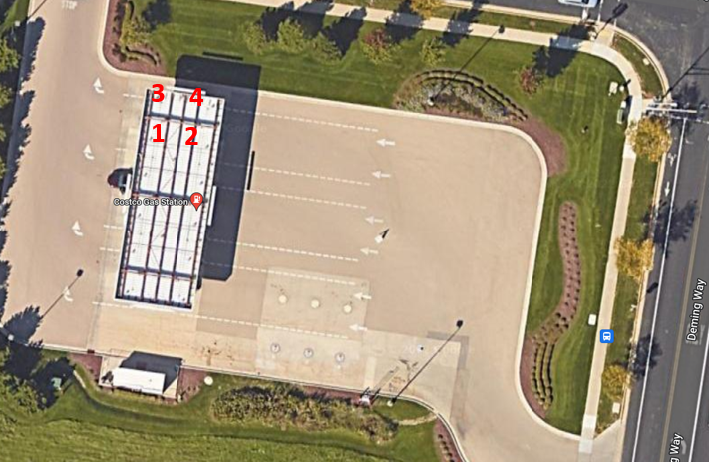
Blue Ford | East | 13:19:20 | 13:24:10 | 1:25:03 |  | 00:53 | 00 | 53 | 53 |  | 3 | East
Red Toyota | East | 13:22:14 | 13:25:15 | 13:27:20 |  | 02:05 | 02 | 05 | 125 |  | 3 | East
Red Ford | West | 13:22:40 | 13:25:50 | 13:28:14 |  | 02:24 | 02 | 24 | 144 |  | 4 | West
Black Subaru | East | 13:26:40 | 13:27:40 | 13:29:20 |  | 01:40 | 01 | 40 | 100 |  | 3 | East
Black Toyota | West | 13:27:26 | 13:28:35 | 1:29:42 |  | 01:07 | 01 | 07 | 67 |  | 4 | West
White Buick | West | 13:28:10 | 13:31:11 | 13:33:29 |  | 02:18 | 02 | 18 | 138 |  | 4 | West
Grey Chevy | East | 13:29:22 | 13:33:42 | 13:38:10 |  | 04:28 | 04 | 28 | 268 |  | 3 | East
Red Toyota | West | 13:33:06 | 13:33:45 | 13:36:55 | Jockeyed over from lane 2 | 03:10 | 03 | 10 | 190 |  | 4 | West
Blue Toyota | East | 13:33:15 | 13:38:23 | 13:41:12 |  | 02:49 | 02 | 49 | 169 |  | 3 | East
Black Chevy | West | 13:36:06 | 13:38:20 | 13:42:01 |  | 03:41 | 03 | 41 | 221 |  | 4 | West
Grey Ford | East | 13:37:40 | 13:42:14 | 13:45:16 |  | 03:02 | 03 | 02 | 182 |  | 3 | East
Blue Toyota | West | 13:42:25 | 13:42:25 | 13:45:19 |  | 02:54 | 02 | 54 | 174 |  | 4 | West
Black Nissan | East | 13:44:13 | 13:45:20 | 13:48:49 |  | 03:29 | 03 | 29 | 209 |  | 3 | East
White Ford | West | 13:45:30 | 13:45:30 | 13:49:55 |  | 04:25 | 04 | 25 | 265 |  | 4 | West
Black GMC | East | 13:46:06 | 13:49:05 | 13:50:00 |  | 00:55 | 00 | 55 | 55 |  | 3 | East
Grey Ford | West | 13:49:55 | 13:49:55 | 13:51:04 |  | 01:09 | 01 | 09 | 69 |  | 4 | West
Black Toyta | East | 13:51:50 | 13:53:31 | 13:55:45 |  | 02:14 | 02 | 14 | 134 |  | 3 | East
White Toyota | West | 13:52:00 | 13:52:14 | 13:55:13 |  | 02:59 | 02 | 59 | 179 |  | 4 | West
Black Chevy | East | 13:53:00 | 13:56:14 | 13:58:32 |  | 02:18 | 02 | 18 | 138 |  | 3 | East
Black Kia | West | 13:54:25 | 13:56:40 | 14:00:14 |  | 03:34 | 03 | 34 | 214 |  | 4 | West
Black Chevy | East | 13:55:10 | 13:59:14 | 14:01:15 |  | 02:01 | 02 | 01 | 121 |  | 3 | East
Silver Honda | West | 13:57:17 | 14:00:25 | 14:03:15 |  | 02:50 | 02 | 50 | 170 |  | 4 | West
Black Acura | East | 13:58:23 | 14:01:40 | 14:05:10 |  | 03:30 | 03 | 30 | 210 |  | 3 | East
 |  |  |  |  |  | 49:20 | 49 | 20 | 2960 | (total simulation time)
 |  | ARRIVAL TIME = TIME ARRIVED AT QUEUE |  |  |  |  |  |  | 4298 | (total service time lane 1)
 |  | PUMP START = TIME CAR ARRIVED AT PUMP |  |  |  |  |  |  | 2149 | (divide by 2 pumps)
 |  | DEPART = TIME THE CAR DROVE OFF AND PUMP WAS AVAILABLE |  |  |  |  |  |  | 0.7260 | (total service time / total observation time)

